Thickness
Treatment Combination | Design Factors |  |  | Thickness |  |  |  | Thickness
 | A | B | AB |  |  |  |  | Total | Average | Variance
(1) | - | - | + | 14.037 | 14.165 | 13.972 | 13.907 | 56.081 | 14.0203 | 0.0121
a | + | - | - | 14.821 | 14.757 | 14.843 | 14.878 | 59.299 | 14.8248 | 0.0026
b | - | + | - | 13.880 | 13.860 | 14.032 | 13.914 | 55.686 | 13.9215 | 0.0059
ab | + | + | + | 14.888 | 14.921 | 14.415 | 14.932 | 59.156 | 14.7890 | 0.0625

 |  |  |  |  |  |  |  | Effect
 |  |  |  |  |  |  |  | A = | 0.8360 | we calculate from total
 |  |  |  |  |  |  |  | B = | -0.0672
 |  |  |  |  |  |  |  | AB = | 0.0315

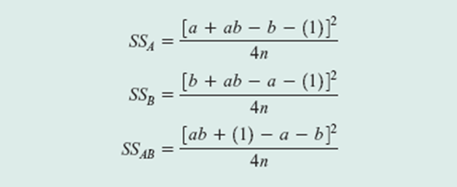
 |  |  |  |  |  |  |  | Sum Square
 |  |  |  |  |  |  |  | SS(A) = | 2.7956
 |  |  |  |  |  |  |  | SS(B) = | 0.0181
 |  |  |  |  |  |  |  | SS(AB) = | 0.0040

 |  |  |  |  |  | Average Variance = |  |  | 0.0208
 |  |  |  |  |  | Variance (Effect) = |  |  | 0.0052 | =J27/(4*2^(2-2))
 |  |  |  |  |  | Standard Error (Effect) = |  |  | 0.0721 | =SQRT(J28)
 |  |  |  |  |  | Degree of Freedom = |  |  | 12

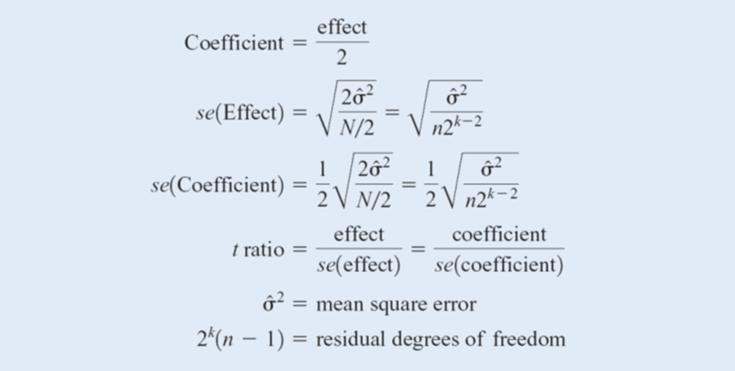

Effect | Effect Estimator | Estimated Standard Error | t Ratio | P-Value | *Sig
A | 0.8360 | 0.0721 | 11.5960 | 0.0000 | *
B | -0.0672 | 0.0721 | -0.9328 | 0.3693
AB | 0.0315 | 0.0721 | 0.4369 | 0.6699

Average = |  | 14.389 | =AVERAGE(E3:H6)
Coef_A = |  | 0.418 | =B46/2
Coef_B = |  | -0.034
Coef_AB = |  | 0.016
Because of P value calculation, the rest of factors are not significant enough to be taken in to calculation
Prediction Model : |  | y = 0.418 A + 14.389 |  |  |  |  |  | y = 0.418 A - 0.034 B + 0.016 AB + 14.389

Predict y | A = -1 | B = -1 |  | 13.971 | =0.418 * (-1) + 14.389 |  | the equation utilization
 | A = -1 | B = +1 |  | 13.971
 | A = +1 | B = -1 |  | 14.807
 | A = +1 | B = +1 |  | 14.807

